Sheet1
===============================================================================================
Layer (type:depth-idx) Output Shape Param #
===============================================================================================
MVSTT [16, 12, 307] --
├─Conv2d: 1-1 [16, 64, 307, 12] 128
├─STBlock: 1-2 [16, 307, 12, 64] 349
│ └─SATT: 2-1 [16, 307, 12, 64] --
│ │ └─Linear: 3-1 [16, 307, 64] 4,160
│ │ └─Linear: 3-2 [16, 307, 64] (recursive)
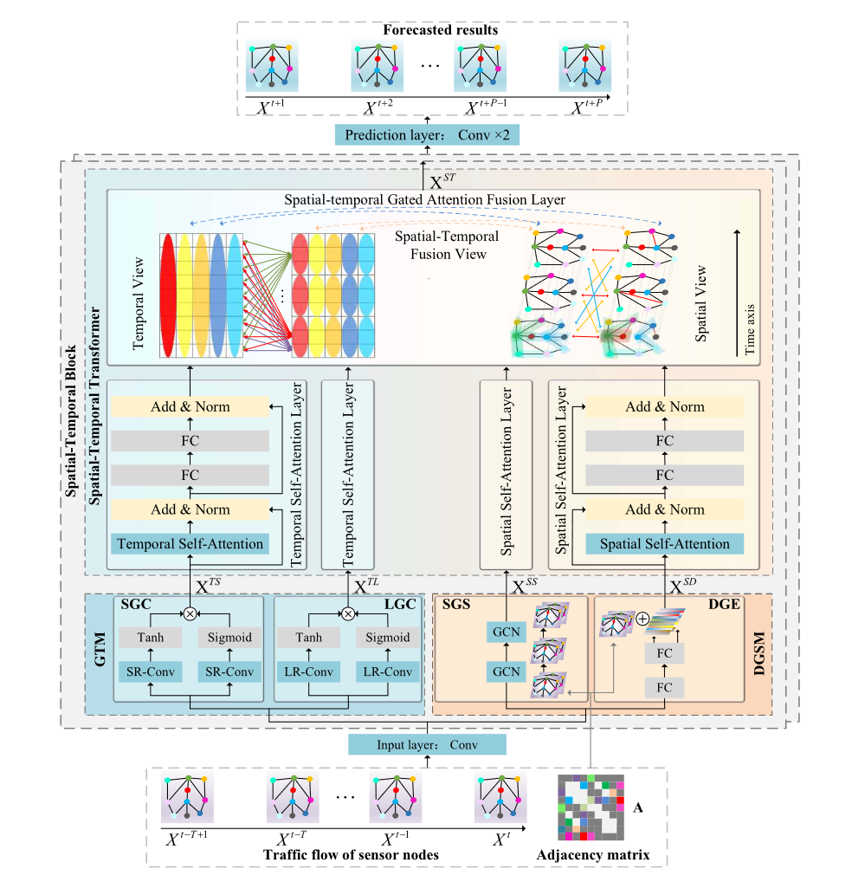
│ │ └─Linear: 3-3 [16, 307, 64] (recursive)
│ │ └─Linear: 3-4 [16, 307, 64] (recursive)
│ │ └─Linear: 3-5 [16, 307, 64] (recursive)
│ │ └─Linear: 3-6 [16, 307, 64] (recursive)
│ │ └─Linear: 3-7 [16, 307, 64] (recursive)
│ │ └─Linear: 3-8 [16, 307, 64] (recursive)
│ │ └─Linear: 3-9 [16, 307, 64] (recursive)
│ │ └─Linear: 3-10 [16, 307, 64] (recursive)
│ │ └─Linear: 3-11 [16, 307, 64] (recursive)
│ │ └─Linear: 3-12 [16, 307, 64] (recursive)
│ │ └─Sequential: 3-13 [307, 768] 827,136
│ │ └─LayerNorm: 3-14 [16, 307, 12, 64] 128
│ │ └─SMultiHeadAttention: 3-15 [16, 307, 12, 64] 16,448
│ │ └─LayerNorm: 3-16 [16, 307, 12, 64] 128
│ │ └─Dropout: 3-17 [16, 307, 12, 64] --
│ │ └─Sequential: 3-18 [16, 307, 12, 64] 33,088
│ │ └─LayerNorm: 3-19 [16, 307, 12, 64] 128
│ │ └─Dropout: 3-20 [16, 307, 12, 64] --
│ │ └─LayerNorm: 3-21 [16, 307, 12, 64] 128
│ │ └─SMultiHeadAttention: 3-22 [16, 307, 12, 64] 16,448
│ │ └─LayerNorm: 3-23 [16, 307, 12, 64] 128
│ │ └─Dropout: 3-24 [16, 307, 12, 64] --
│ │ └─Sequential: 3-25 [16, 307, 12, 64] 33,088
│ │ └─LayerNorm: 3-26 [16, 307, 12, 64] 128
│ │ └─Dropout: 3-27 [16, 307, 12, 64] --
│ │ └─Linear: 3-28 [16, 307, 12, 64] 4,160
│ │ └─Linear: 3-29 [16, 307, 12, 64] 4,160
│ └─LayerNorm: 2-2 [16, 307, 12, 64] 128
│ └─Conv2d: 2-3 [16, 12, 1, 307] 9,228
│ └─Conv2d: 2-4 [16, 12, 1, 307] 9,228
│ └─Conv2d: 2-5 [16, 64, 307, 12] 128
│ └─LayerNorm: 2-6 [16, 307, 12, 64] 128
│ └─TATT: 2-7 [16, 307, 12, 64] --
│ │ └─TMultiHeadAttention: 3-30 [16, 307, 12, 64] 16,448
│ │ └─LayerNorm: 3-31 [16, 307, 12, 64] 128
│ │ └─Dropout: 3-32 [16, 307, 12, 64] --
│ │ └─Sequential: 3-33 [16, 307, 12, 64] 33,088
│ │ └─LayerNorm: 3-34 [16, 307, 12, 64] 128
│ │ └─Dropout: 3-35 [16, 307, 12, 64] --
│ └─Conv2d: 2-8 [16, 12, 9, 307] 3,084
│ └─Conv2d: 2-9 [16, 12, 9, 307] 3,084
│ └─MaxPool2d: 2-10 [16, 12, 1, 307] --
│ └─Conv2d: 2-11 [16, 64, 307, 12] 128
│ └─LayerNorm: 2-12 [16, 307, 12, 64] 128
│ └─TATT: 2-13 [16, 307, 12, 64] --
│ │ └─TMultiHeadAttention: 3-36 [16, 307, 12, 64] 16,448
│ │ └─LayerNorm: 3-37 [16, 307, 12, 64] 128
│ │ └─Dropout: 3-38 [16, 307, 12, 64] --
│ │ └─Sequential: 3-39 [16, 307, 12, 64] 33,088
│ │ └─LayerNorm: 3-40 [16, 307, 12, 64] 128
│ │ └─Dropout: 3-41 [16, 307, 12, 64] --
│ └─Linear: 2-14 [16, 307, 768] 590,592
│ └─Linear: 2-15 [16, 307, 768] 590,592
│ └─LayerNorm: 2-16 [16, 307, 12, 64] 128
│ └─Attention: 2-17 [16, 307, 768] --
│ │ └─Linear: 3-42 [16, 307, 512] 393,728
│ │ └─Linear: 3-43 [16, 307, 512] 393,728
│ │ └─Linear: 3-44 [16, 307, 512] 393,728
│ │ └─Dropout: 3-45 [16, 4, 307, 307] --
│ │ └─Linear: 3-46 [16, 307, 768] 393,984
├─LayerNorm: 1-3 [16, 307, 12, 64] 128
├─STBlock: 1-4 [16, 307, 12, 64] 349
│ └─SATT: 2-18 [16, 307, 12, 64] --
│ │ └─Linear: 3-47 [16, 307, 64] 4,160
│ │ └─Linear: 3-48 [16, 307, 64] (recursive)
│ │ └─Linear: 3-49 [16, 307, 64] (recursive)
│ │ └─Linear: 3-50 [16, 307, 64] (recursive)
│ │ └─Linear: 3-51 [16, 307, 64] (recursive)
│ │ └─Linear: 3-52 [16, 307, 64] (recursive)
│ │ └─Linear: 3-53 [16, 307, 64] (recursive)
│ │ └─Linear: 3-54 [16, 307, 64] (recursive)
│ │ └─Linear: 3-55 [16, 307, 64] (recursive)
│ │ └─Linear: 3-56 [16, 307, 64] (recursive)
│ │ └─Linear: 3-57 [16, 307, 64] (recursive)
│ │ └─Linear: 3-58 [16, 307, 64] (recursive)
│ │ └─Sequential: 3-59 [307, 768] 827,136
│ │ └─LayerNorm: 3-60 [16, 307, 12, 64] 128
│ │ └─SMultiHeadAttention: 3-61 [16, 307, 12, 64] 16,448
│ │ └─LayerNorm: 3-62 [16, 307, 12, 64] 128
│ │ └─Dropout: 3-63 [16, 307, 12, 64] --
│ │ └─Sequential: 3-64 [16, 307, 12, 64] 33,088
│ │ └─LayerNorm: 3-65 [16, 307, 12, 64] 128
│ │ └─Dropout: 3-66 [16, 307, 12, 64] --
│ │ └─LayerNorm: 3-67 [16, 307, 12, 64] 128
│ │ └─SMultiHeadAttention: 3-68 [16, 307, 12, 64] 16,448
│ │ └─LayerNorm: 3-69 [16, 307, 12, 64] 128
│ │ └─Dropout: 3-70 [16, 307, 12, 64] --
│ │ └─Sequential: 3-71 [16, 307, 12, 64] 33,088
│ │ └─LayerNorm: 3-72 [16, 307, 12, 64] 128
│ │ └─Dropout: 3-73 [16, 307, 12, 64] --
│ │ └─Linear: 3-74 [16, 307, 12, 64] 4,160
│ │ └─Linear: 3-75 [16, 307, 12, 64] 4,160
│ └─LayerNorm: 2-19 [16, 307, 12, 64] 128
│ └─Conv2d: 2-20 [16, 12, 1, 307] 9,228
│ └─Conv2d: 2-21 [16, 12, 1, 307] 9,228
│ └─Conv2d: 2-22 [16, 64, 307, 12] 128
│ └─LayerNorm: 2-23 [16, 307, 12, 64] 128
│ └─TATT: 2-24 [16, 307, 12, 64] --
│ │ └─TMultiHeadAttention: 3-76 [16, 307, 12, 64] 16,448
│ │ └─LayerNorm: 3-77 [16, 307, 12, 64] 128
│ │ └─Dropout: 3-78 [16, 307, 12, 64] --
│ │ └─Sequential: 3-79 [16, 307, 12, 64] 33,088
│ │ └─LayerNorm: 3-80 [16, 307, 12, 64] 128
│ │ └─Dropout: 3-81 [16, 307, 12, 64] --
│ └─Conv2d: 2-25 [16, 12, 9, 307] 3,084
│ └─Conv2d: 2-26 [16, 12, 9, 307] 3,084
│ └─MaxPool2d: 2-27 [16, 12, 1, 307] --
│ └─Conv2d: 2-28 [16, 64, 307, 12] 128
│ └─LayerNorm: 2-29 [16, 307, 12, 64] 128
│ └─TATT: 2-30 [16, 307, 12, 64] --
│ │ └─TMultiHeadAttention: 3-82 [16, 307, 12, 64] 16,448
│ │ └─LayerNorm: 3-83 [16, 307, 12, 64] 128
│ │ └─Dropout: 3-84 [16, 307, 12, 64] --
│ │ └─Sequential: 3-85 [16, 307, 12, 64] 33,088
│ │ └─LayerNorm: 3-86 [16, 307, 12, 64] 128
│ │ └─Dropout: 3-87 [16, 307, 12, 64] --
│ └─Linear: 2-31 [16, 307, 768] 590,592
│ └─Linear: 2-32 [16, 307, 768] 590,592
│ └─LayerNorm: 2-33 [16, 307, 12, 64] 128
│ └─Attention: 2-34 [16, 307, 768] --
│ │ └─Linear: 3-88 [16, 307, 512] 393,728
│ │ └─Linear: 3-89 [16, 307, 512] 393,728
│ │ └─Linear: 3-90 [16, 307, 512] 393,728
│ │ └─Dropout: 3-91 [16, 4, 307, 307] --
│ │ └─Linear: 3-92 [16, 307, 768] 393,984
├─Conv2d: 1-5 [16, 12, 307, 64] 156
├─ReLU: 1-6 [16, 12, 307, 64] --
├─Conv2d: 1-7 [16, 1, 307, 12] 65
===============================================================================================
Total params: 7,642,743
Trainable params: 7,642,743
Non-trainable params: 0
Total mult-adds (G): 1.42
===============================================================================================
Input size (MB): 0.24
Forward/backward pass size (MB): 3738.94
Params size (MB): 30.57
Estimated Total Size (MB): 3769.74
===============================================================================================

